DASHBOARD




NOTESCODER
Please Select Main Issue |  |  |  | RESOURCES

Please Select Sub Issue |  |  | NOTES
 |  |  | A= Customer called in regarding to Issue
Did We Fortify Account? |  |  | B= Customer is experiencing
 |  |  | S: ,Customer is Using OS ,Customer has
Select Remote Assistance

Select Windows OS =

Select MAC OS =

Select Office Version =

Was The Issue Resolved? |  | FALSE
 |  | FALSE
 |  | FALSE
 |  | FALSE
 |  | FALSE
 |  | FALSE
 |  | FALSE
 |  | FALSE
 |  | FALSE
 |  | FALSE
 |  | FALSE
 |  | FALSE
 |  | FALSE
 |  | FALSE
 |  | FALSE
 |  | FALSE
 |  | FALSE
 |  | FALSE
 |  | FALSE
 |  | FALSE
 |  | FALSE
 |  | FALSE
 |  | FALSE
 |  | FALSE
HOME
 |  | FALSE

 | FALSE | FALSE

Support Boundaries
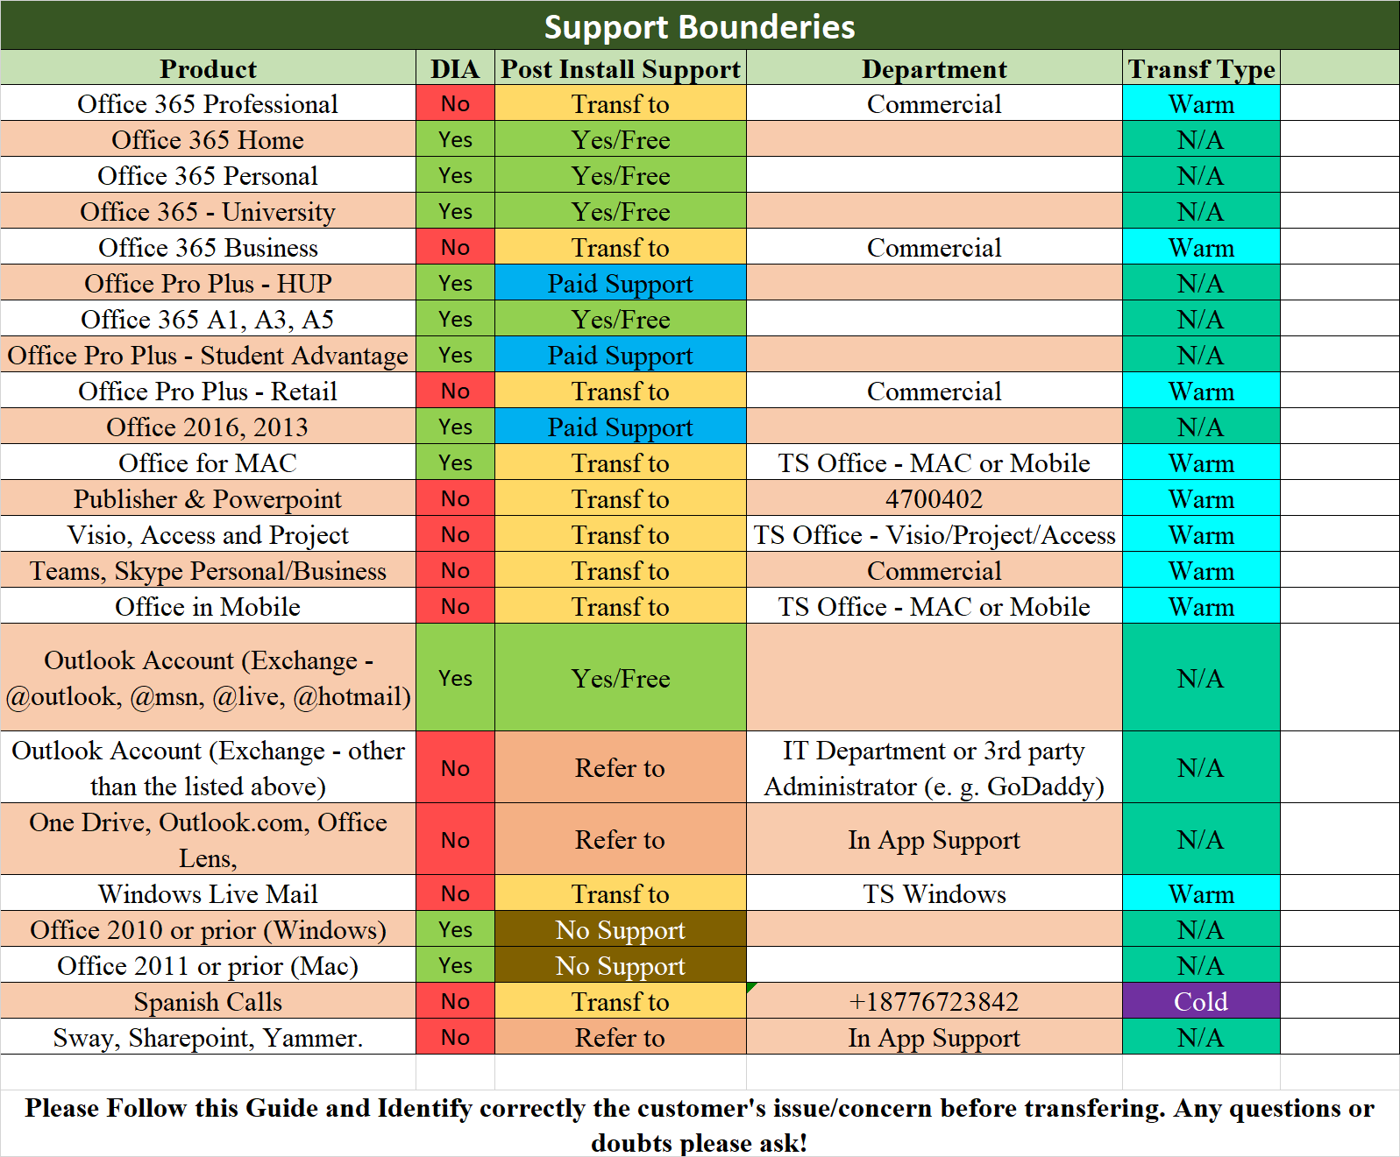
HOME

S

EMAILSETUP
OFFICE

HOME

Email Server Configuration

1&1 | Server Type | : | POP3 | Authentication | : | Yes
 | Incoming | : | pop.1and1.com | Port | : | 110
 | Outgoing | : | smtp.1and1.com | Port | : | 25, 587 or 585 (SSL)

Adelphia | Server Type | : | POP3 | Authentication | : | None
 | Incoming | : | pop-server.carolina.rr.com | Port | : | 110
 | Outgoing | : | smtp-server.carolina.rr.com | Port | : | 25

Ameritech | Server Type | : | POP3 | Authentication | : | Yes
 | Incoming | : | pop.att.yahoo.com | Port | : | 995
 | Outgoing | : | smtp.att.yahoo.com | Port | : | 465

AOL | Server Type | : | IMAP | Authentication | : | Yes
 | Incoming | : | imap.aol.com | Port | : | 143 (SSL)
 | Outgoing | : | smtp.aol.com | Port | : | 587 (SSL)

Aplus | Server Type | : | IMAP | Authentication | : | Yes
 | Incoming | : | securemail.aplus.net | Port | : | 995
 | Outgoing | : | securemail.aplus.net | Port | : | 465 (SSL)

 | Server Type | : | POP3 | Authentication | : | Yes
 | Incoming | : | securemail.aplus.net | Port | : | 993 (SSL)
 | Outgoing | : | securemail.aplus.net | Port | : | 465 (SSL)

AT&T | Server Type | : | POP3 | Authentication | : | Yes
 | Incoming | : | fpostoffice.isp.att.net | Port | : | 995 (SSL)
 | Outgoing | : | fmailhost.isp.att.net | Port | : | 465 (SSL)

AT&T - Yahoo | Server Type | : | POP3 | Authentication | : | Yes
 | Incoming | : | pop.att.yahoo.com | Port | : | 995 (SSL)
 | Outgoing | : | smtp.att.yahoo.com | Port | : | 465 (SSL)

Bellsouth | Server Type | : | POP3 | Authentication | : | None
 | Incoming | : | mail.bellsouth.net | Port | : | 110
 | Outgoing | : | mail.bellsouth.net | Port | : | 25

BTinternet | Server Type | : | IMAP | Authentication | : | Yes
 | Incoming | : | mail.btinternet.com | Port | : | 993 (SSL)
 | Outgoing | : | mail.btinternet.com | Port | : | 465 (SSL)

Cable One | Server Type | : | POP3 | Authentication | : | None
 | Incoming | : | mail.cableone.net | Port | : | 110
 | Outgoing | : | mail.cableone.net | Port | : | 25

Charter | Server Type | : | POP3 | Authentication | : | None
 | Incoming | : | mail.charter.net | Port | : | 110
 | Outgoing | : | mail.charter.net | Port | : | 25

Clearwire | Server Type | : | IMAP | Authentication | : | Yes
 | Incoming | : | imap.gmail.com | Port | : | 993 (SSL)
 | Outgoing | : | smtp.gmail.com | Port | : | 587 (SSL)

 | Server Type | : | POP3 | Authentication | : | Yes
 | Incoming | : | mail.clearwire.net | Port | : | 995 (SSL)
 | Outgoing | : | mail.clearwire.net | Port | : | 465 (SSL)

Comcast | Server Type | : | POP3 | Authentication | : | Yes
 | Incoming | : | mail.comcast.net | Port | : | 110
 | Outgoing | : | smtp.comcast.net | Port | : | 587 (SSL)

Comporium | Server Type | : | POP3 | Authentication | : | None
 | Incoming | : | mail.comporium.net | Port | : | 110
 | Outgoing | : | smtp.comporium.net | Port | : | 25

CompuServe | Server Type | : | IMAP | Authentication | : | None (Except Secure Password)
 | Incoming | : | imap.cs.com | Port | : | 143
 | Outgoing | : | smtp.cs.com | Port | : | 25

Cox | Server Type | : | POP3 | Authentication | : | Yes
 | Incoming | : | pop.cox.net | Port | : | 995
 | Outgoing | : | smtp.cox.net | Port | : | 465

 | Server Type | : | IMAP | Authentication | : | Yes
 | Incoming | : | imap.cox.net | Port | : | 993
 | Outgoing | : | smtp.cox.net | Port | : | 465

CT Communication | Server Type | : | POP3 | Authentication | : | None
 | Incoming | : | pop.ctcn.net | Port | : | 110
 | Outgoing | : | smtp.ctcn.net | Port | : | 25

Dotster | Server Type | : | POP3 | Authentication | : | Yes (Except Secure Password)
 | Incoming | : | pop.doster.com | Port | : | 110
 | Outgoing | : | smtp.doster.com | Port | : | 587 (SSL)

DSL Extreme | Server Type | : | POP3 | Authentication | : | Yes
 | Incoming | : | pop.gmail.com | Port | : | 995 (SSL)
 | Outgoing | : | smtp.gmail.com | Port | : | 465 (SSL)

Earthlink | Server Type | : | POP3 | Authentication | : | Yes (Except Secure Password)
 | Incoming | : | pop.earthlink.net | Port | : | 110
 | Outgoing | : | smtpauth.earthlink.net | Port | : | 587 or 25 (SSL)

Embarq | Server Type | : | POP3 | Authentication | : | Yes (Secure Password)
 | Incoming | : | pop.embarqmail.com | Port | : | 110
 | Outgoing | : | smtp.embarqmail.com | Port | : | 587 (SSL)

Fast Mail | Server Type | : | IMAP | Authentication | : | Yes
 | Incoming | : | mail.messagingengine.com | Port | : | 143 or 993 (SSL)
 | Outgoing | : | mail.messagingengine.com | Port | : | 25 or 26 or 21 (SSL)

Flash | Server Type | : | POP3 | Authentication | : | Yes
 | Incoming | : | pop.att.yahoo.com | Port | : | 995 (SSL)
 | Outgoing | : | smtp.att.yahoo.com | Port | : | 465 (SSL)

Frontier | Server Type | : | POP3 | Authentication | : | Yes
 | Incoming | : | pop3.frontier.net | Port | : | 995 (SSL)
 | Outgoing | : | smtp.frontier.net | Port | : | 465 (SSL)

GoDaddy | Server Type | : | POP3 | Authentication | : | Yes
 | Incoming | : | pop.secureserver.net | Port | : | 110
 | Outgoing | : | smtpout.secureserver.net | Port | : | 80 or 3535

 | Server Type | : | IMAP | Authentication | : | Yes
 | Incoming | : | imap.secureserver.net | Port | : | 993 (SSL)
 | Outgoing | : | smtpout.secureserver.net | Port | : | 465 (SSL)

Google | Server Type | : | IMAP | Authentication | : | Yes
 | Incoming | : | imap.gmail.com | Port | : | 993 (SSL)
 | Outgoing | : | smtp.gmail.com | Port | : | 465 or 587 (SSL)

 | Server Type | : | POP | Authentication | : | Yes
 | Incoming | : | pop.gmail.com | Port | : | 995 (SSL)
 | Outgoing | : | smtp.gmail.com | Port | : | 465 (SSL)

Bellsouth | Server Type | : | POP | Authentication | : | Yes
 | Incoming | : | pop.att.yahoo.com | Port | : | 995 (SSL)
 | Outgoing | : | smtp.att.yahoo.com | Port | : | 465 (SSL)

Verizon | Server Type | : | POP | Authentication | : | Yes
 | Incoming | : | pop.verizon.net | Port | : | 995 (SSL)
 | Outgoing | : | smtp.verizon.net | Port | : | 465 (SSL)

Century Link | Server Type | : | POP | Authentication | : | Yes
 | Incoming | : | pop.centurylink.net | Port | : | 995 (SSL)
 | Outgoing | : | smtp.centurylink.net | Port | : | 587 (TLS)

 | Server Type | : | IMAP | Authentication | : | Yes
 | Incoming | : | mail.centurylink.net | Port | : | 993 (SSL)
 | Outgoing | : | smtp.centurylink.net | Port | : | 587 (TLS)

Email Setup: Setting Up Email Accounts Outlook App

Email Setup: Setting Up Email Accounts Windows Live Mail

Email Setup: Setting Up Email Accounts Mail App (Windows 8, 8.1 and 10)

Email Setup: Import and Export

